1. Title Page
[Instacart Grocery Basket Analysis]

Project Name: Instacart Grocery Basket Analysis
Date: May 15th 2025
Analyst Name: Meenakhi Pelakkadu Subramanian

Contents:
Population Flow
Consistency checks
Wrangling steps
Column derivations
Visualizations
Recommendations

2. Population Flow
 |  |  | Title page

Population flow

Exclusion flag
Condition: max_order < 5
Obervations to be removed: 1440295
Final total count of order_products_all: 30964564

Orders_products_combined
Orders_products_merged
Orders_products_all

Total:
Total:
Total:
32434489 | 32404859 | 32404859

1.) The grey boxes in the first row of the population flow represent the original data sets as they were when you downloaded them. In the Total fields you need to add the count of the rows when you imported the data set into Jupyter.
2.) The second row of boxes (coloured) represents the data sets after you manipulated them, e.g., removed missing values and duplicates. In the Total fields you need to add the count of the rows after conducting these operations. This offers a visual oveview of how the data flows throughout the data consistency checks.
3.) The third row, where also the arrows are coloured, represents the merges you performed between the datasets. In the Total fields you need to add the count of the rows in the merged datasets, so that you end up with the final dataset (in the red box). Keep in mind the final dataset should be without exclusions (based on the exclusion flag).

3. Consistency checks
 |  |  |  | Title page
Consistency checks

Dataset | Missing values | Missing values treatment | Duplicates
orders | days_since_prior_order | No duplicates found | no duplicated removed
products | products_name have missing values | removed from dataset | 5 duplicates removed
orders_products_prior | no duplicates found | No duplicates found | no duplicates removed
customers | First Name misses 11259 names | Analysis done with surname so no effect | no duplicates removed

4. Wrangling steps
 |  |  |  | Title page
Wrangling steps

Columns dropped | Columns renamed | Columns' type changed | Comment/Reason
_merge |  |  | not necessary
eval_set |  |  | not required for analysis
 | orders_dow to orders_day_of_week |  | for better understanding
 | days_since_prior_orer to days_since_previous_order |  | for better understanding
 | Surname to surname, First Name to first_name |  | for better understanding
 | STATE to state, Gender to gender |  | for better understanding
 | newly created and renamed |  | for better understanding
 | n_dependents - number od dependants |  | for better understanding
 | date_joined - date of joining |  | for better understanding
 | region- region based on direction |  | for better understanding
 | fam_status- family status |  | for better understanding
 | income - income of the family |  | for better understanding
 |  | order_id | to string
 |  | order_number | to string

5. Column derivations
 |  |  |  | Title page

Column derivations and aggregations
In this tab you should add tables below that the frequences of flags/label variables that you produced after deriving them. NB: don't do this for continuous variables, only for flags.

Dataset | New column | Column/s it was derived from | Conditions
ords_prods_cust_merge | customer_activity | max_order | df_merged.loc[df_merged['max_order']<5, 'customer_activity']='Low'
 |  |  | df_merged.loc[df_merged['max_order']>=5, 'customer_activity']='High'

ords_prods_merge | price_range | prices | If prices <= 5 then 'Low-Range product' If prices >5 & <= 15 then 'Mid-range product' If prices > 15 then 'High-range product' else 'Not enough data'

ords_prods_merge | busiest_days | orders_day_of_week | If value == 0 or value == 1 then 'Busiest days' If value == 3 or value == 4 then 'Least busy' else 'Regularly busy'

ords_prods_merge | busiest_period_of_day | order_hour_of_day | if value == 10 or value == 11 or value == 14 or value == 15 or value == 13 or value == 12 or value == 16 or value == 9: then ("Most orders") if value == 17 or value == 8 or value == 18 or value == 19 or value == 20 or value == 7 or value == 21 or value == 22: then ("Average orders") else: ("Fewest orders")

df-updated | age_group | age | df_updated.loc[df_updated['age']<=25, 'age_group']='Youth'
 |  |  | df_updated.loc[(df_updated['age']>25) & (df_updated['age']<=64), 'age_group']='Adults'
 |  |  | df_updated.loc[df_updated['age'] >= 65, 'age_group'] = 'Senior'

df_updated | income_group | income | df_updated.loc[df_updated['income']<=50000, 'income_group']='LOW'
 |  |  | df_updated.loc[(df_updated['income']>50000) & (df_updated['income']<=150000), 'income_group']='MEDIUM'
 |  |  | df_updated.loc[df_updated['income']>150000, 'income_group']='HIGH'

df_updated | number of dependants | dependants_flag | ['Number of Dependents'] == 0, 'dependents_flag'] = 'No Dependents'
 |  |  | ['Number of Dependents'] >= 1, 'dependents_flag'] = 'Has Dependents'

ords_prods_cust_merge | region | State | All the states in the country are categorised as regions

6. Visualizations
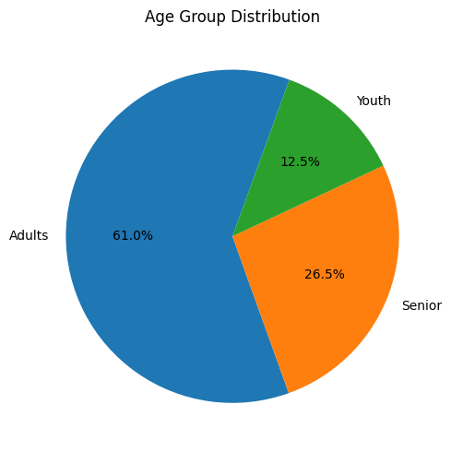
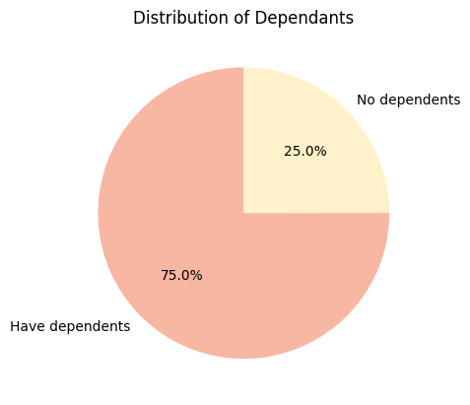
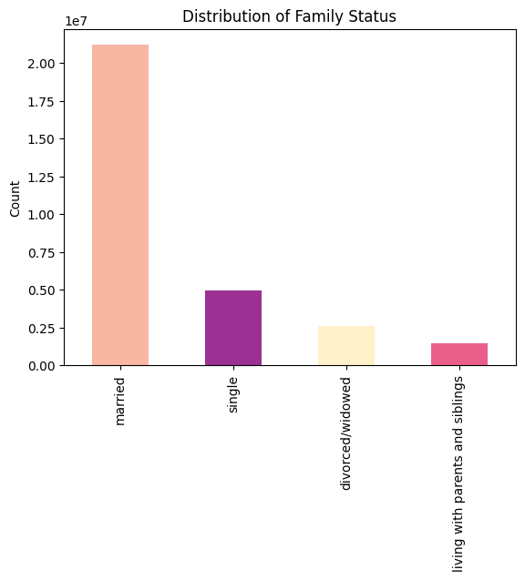
 | Title page

Visualisations

In this tab you should include all the visualtions from Exercises 4.9 and 4.10, alongside the questions from the project brief that they answer. Include any commentary on the relationship between different variables.

Are there particular times of the day when people spend the most money, as this might inform the type of products they advertise at these times. The highest frequency of product orders will be determined here?

People spend most of their money during the moring peak hours of the day and the most sold are Produce , dairy eggs and snacks.

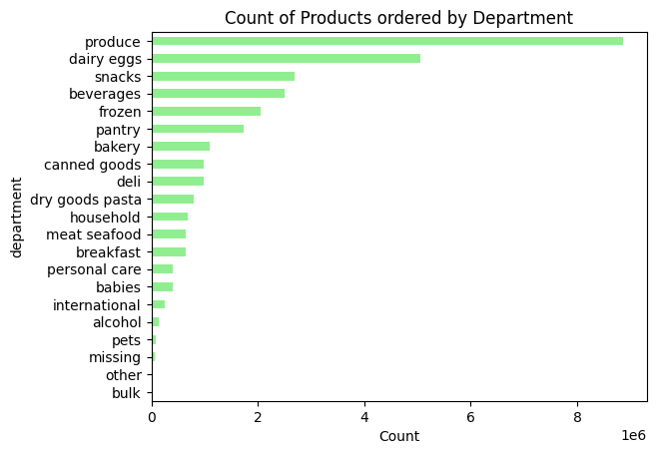
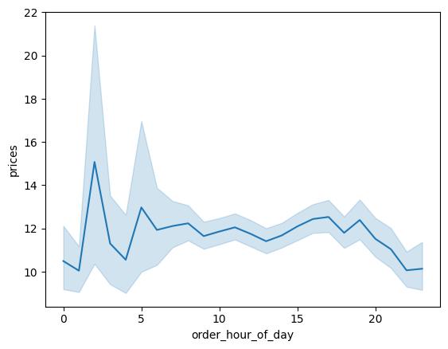

Are there differences in ordering habits based on a customer’s region?

Regionwise sales for each department has been displayed . Westen and Southern regin show the most sales for products overall.
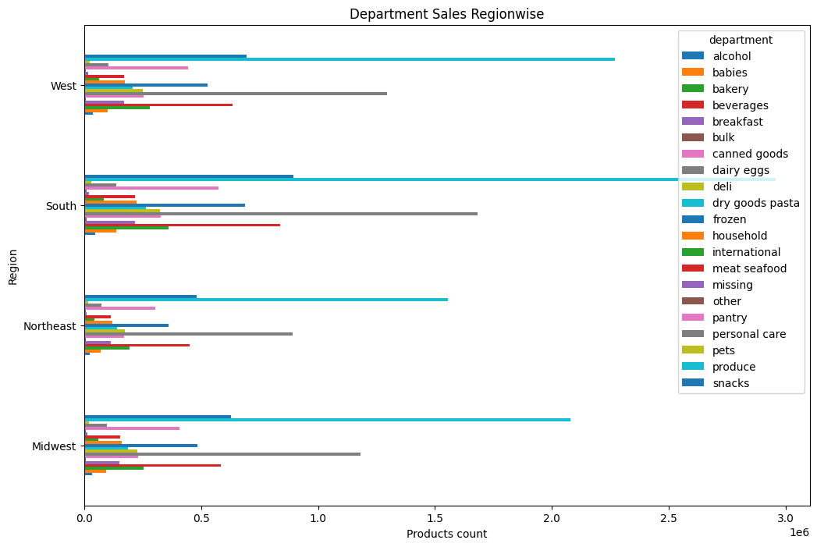

What the busiest days of the week and hours of the day are (i.e., the days and times with the most orders) in order to schedule ads at times when there are fewer orders?

Weekends are the busiest and the maximum orders were received etween 9 Am and 11 Am

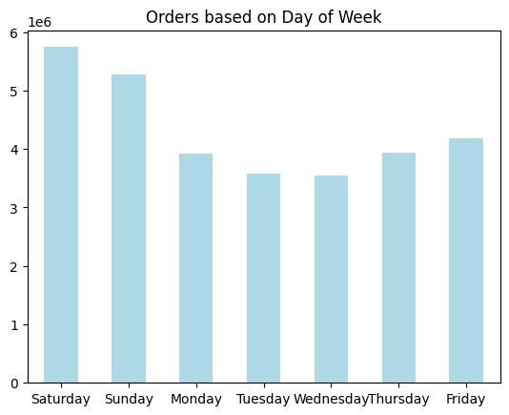

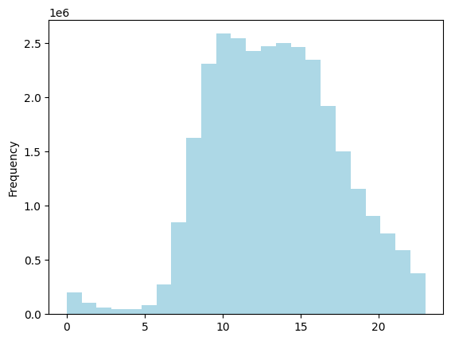

What’s the distribution among users in regards to their brand loyalty (i.e., how often do they return to Instacart)?

The users returning to their brand loyalty are found out to be from the medium-income and married groups.
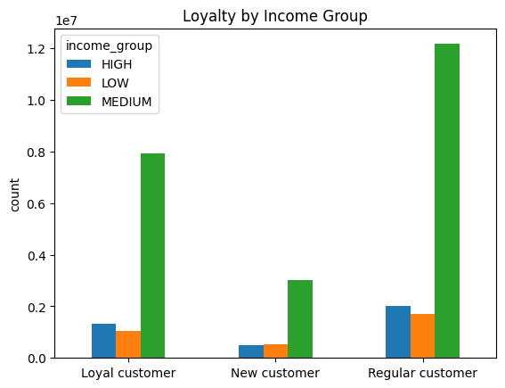

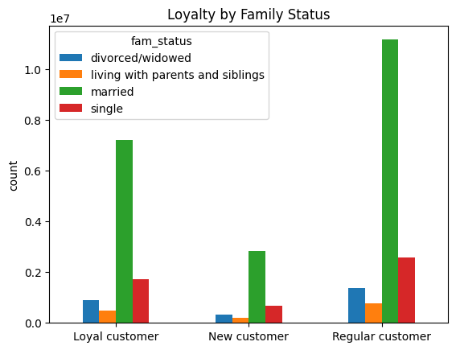

Are there differences in ordering habits based on a customer’s loyalty status?

Yes, the low_spender category places most orders whereas the high spender places only few orders.
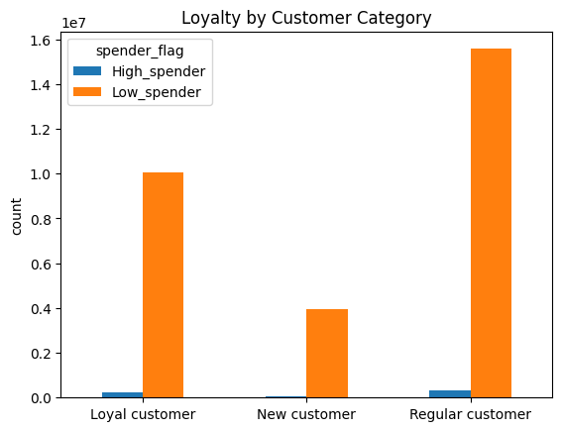

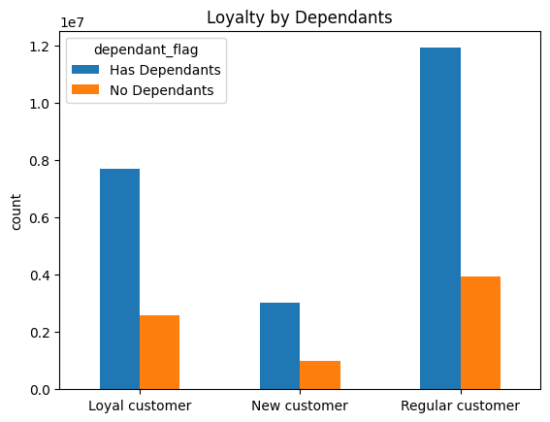

Is there a connection between age and family status in terms of ordering habits?
Adults are the most spendig category with maximum orders.

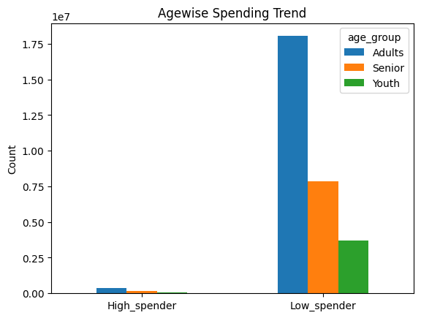

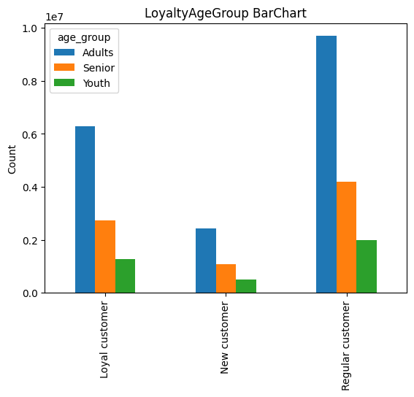

What different classifications does the demographic information suggest? Age? Income? Certain types of goods? Family status?

Age: Adults comprises most of the age-group.
Family-status- Families with dependants form the major category with married status.

7. Recommendations
 |  | Title page

Recommendations

In this tab you should include any recommendations you would made to Instcart in terms of their marketing strategy based on the questions posed in the brief. Every key question has been covered in the Tasks of the Exercises - here you need to add an item - a visualisation or table/crosstable that is showing the answer in the data, acompanied by a comment from you. Please, list the questions below and add the answer underneath.

Question | Are there particular times of the day when people spend the most money, as this might inform the type of products they advertise at these times. The highest frequency of product orders will be determined here?

Answer | People spend most of their money during the moring peak hours of the day and the most sold are Produce , dairy eggs and snacks.

Question | Are there differences in ordering habits based on a customer’s region?

Answer | Regionwise sales for each department has been displayed . Westen and Southern regin show the most sales for products overall.

Question | What the busiest days of the week and hours of the day are (i.e., the days and times with the most orders) in order to schedule ads at times when there are fewer orders?

Answer | Weekends are the busiest and the maximum orders were received etween 9 Am and 11 Am

Question | What’s the distribution among users in regards to their brand loyalty (i.e., how often do they return to Instacart)?

Answer | The users returning to their brand loyalty are found out to be from the medium-income and married groups.

Question | Are there differences in ordering habits based on a customer’s loyalty status?

Answer | Yes, the low_spender category places most orders whereas the high spender places only few orders.

Question | Is there a connection between age and family status in terms of ordering habits?

Answer | Adults are the most spendig category with maximum orders.

Question | What different classifications does the demographic information suggest? Age? Income? Certain types of goods? Family status?

Answer | Age: Adults comprises most of the age-group.
 | Family-status- Families with dependants form the major category with married status.

